Sheet1
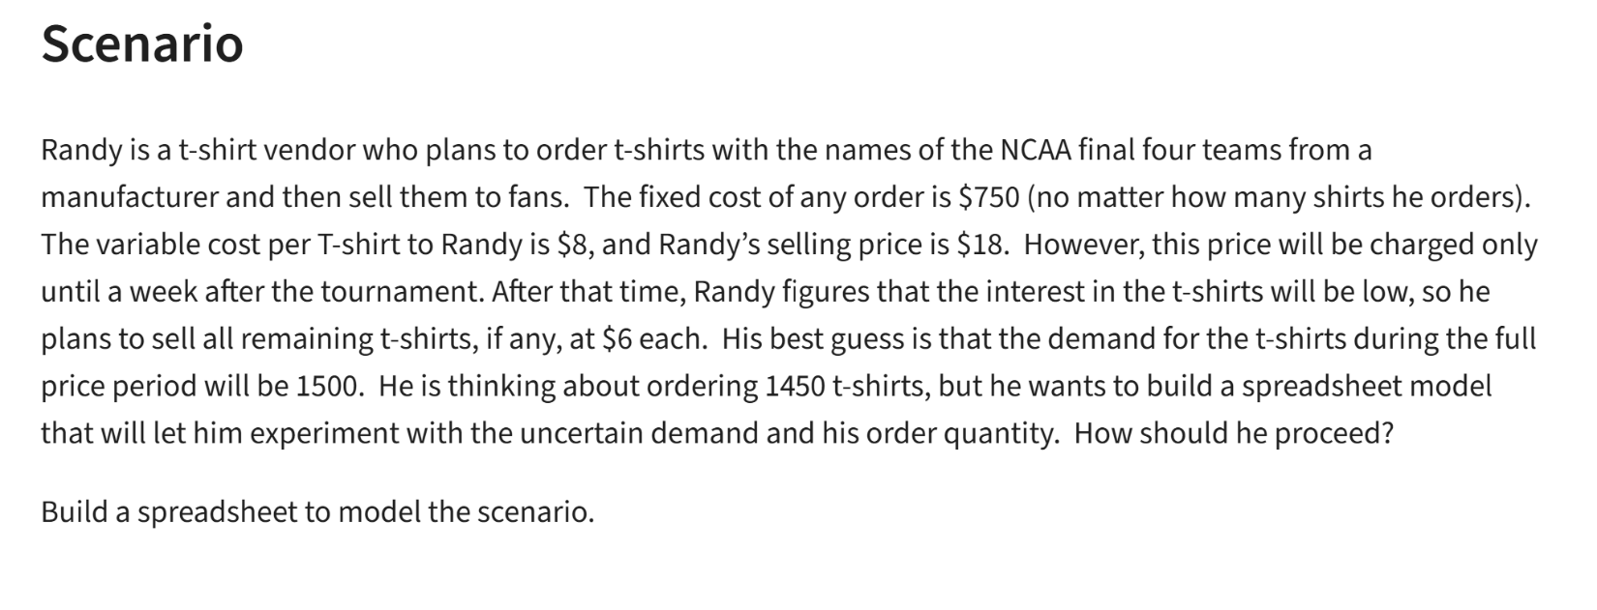
Randy
Cost
Fixed | $750
Variabel | $8 | per item

Revenue
Sell Price (F) | $18 | per item
Sell Price (R) | $6 | per item

Number of Shirts Ordered | 1650
Demand | 1500
Number of Shirts sold (F) | 1500 | =MIN(B11,B12)
Number of Shirts sold (R) | 150 | =MAX(B11-B13,0)

Total Revenue | $27,900 | =B13*B7+B14*B8
Total Cost | $13,950 | =(B11*B4)+B3
Total Profit | $13,950 | =B17-B18

